UI Layout
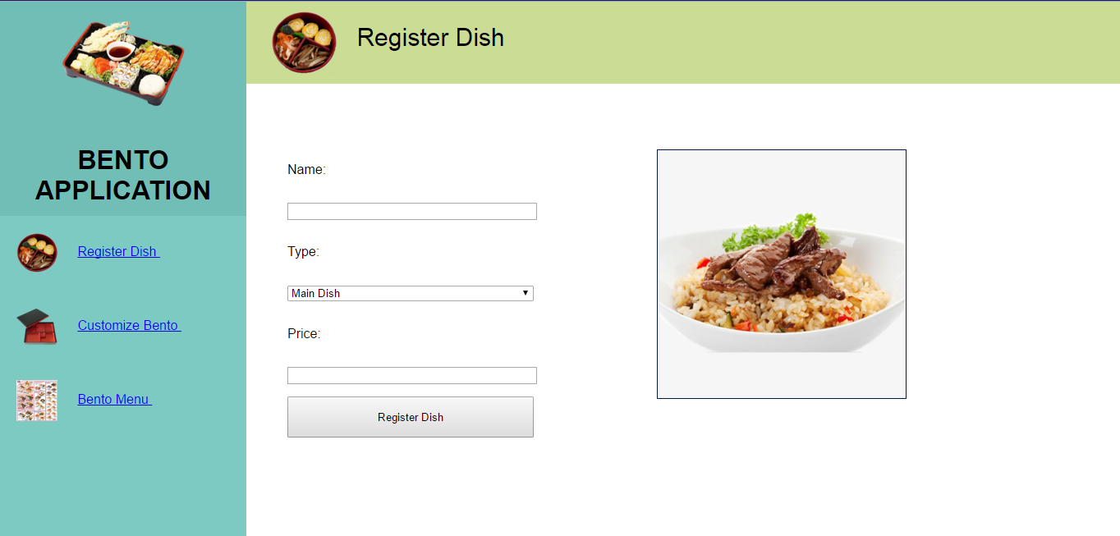

1
2
3

4

5

6
10

7

8

9

For the images, refer to the 'assets' folder.
Note: Formatting must be in a separate file. (bento.css)
 | All the <div> elements are already in the HTML file.
 | Elements (4), (6), (8) have the same formatting.

 | These are the elements in the page.
 | Ref # | Element Type | Description | Formatting | Formatting Values
 | 1 | div | Contains the input fields and the 'add' button. | width | 450px
 |  |  | (Hint: Use the 'float' style.) | float | left
 | 2 | div | Contains the image for the 'dish type'. (either:mainDish, sideDish, soup) | margin-left | 450px
 | 3 |  | Label for the 'name' input field.
 | 4 |  | Input field for the 'dish name'. | width | 300px
 | 5 |  | Label for the 'type' select field.
 | 6 |  | Select for the 'dish type'. | width | 300px
 |  |  | Contains options with values: 'Main Dish', 'Side Dish', 'Soup'
 | 7 |  | Label for the 'price' input field.
 | 8 |  | Input field for the 'dish price'. | width | 300px
 | 9 |  | Button to add the 'dish' to a list. (Will be implemented in the next lesson). | height | 50px
 |  |  |  | width | 300px
 | 10 |  | Image for the 'dish type'. (Will be implemented in the next lesson). | padding | 1px
 |  |  |  | border | 1px solid #021a40
 |  |  |  | background-color | #f6f6f6
 |  |  |  | height | 300px
 |  |  |  | width | 300px

